Table 1

! "# $%# "% $! ! "% $! &'(' )*+',-./ )0-. 1'0 2'30 0, 04

5
67 8 7 9: 8 ; 7 < = > ? 9> = @ :@ A 8 : B < =C< D 7 C7 E : A 7 ? 7 B 7 F 7 G B:? H7 ? @ :@ A: 8 C< 7 A=7 ? ? I7 J K:? 7 A 7 G 7 8 > C ;: CL= =7 F 7 > ; < C7 G 7 8 < < ? < M
D 7 ? > F < N: O ? BL? : C< 7 @ :@ A: 8 C:@ ; 7 G =7 ? D < PCC> 8 7 ? Q: R 8 L 9: Q9< L? R F 7 ? SD < PQ9< L? TU R 8 LB> = PC> 8 7 ? C< E V<H> ? 7 O ? B < W< B> I7 ? H @ :@ ;: 8 < =7 ? @ 7 ? N7 7 9 9> ? 7 < 97 G > ? 7 ? A 7 C9< B 7 ? @ 7 ? N7 7 9 7 =G < 8 @ 7 C7 A: 8 97 ? HH> ? H7 ? X< =7 Y: 8 97 ? HH> ? H G < B> A G < ? HH7 7 =G < 8 D 7 C7 A: 8 97 ? HH> ? H7 ? J
 | Z % % [ E < ; :8 < = 7 ? @ > F 7 < B 7 8 < 7 =G < 8 97 G > ? RLF < C =: \ G < ? HH 7 P=G < 8 D 7 C 7 R:8 97 ? HH> ? H 7 ?
 | [ E < ; :8 < = 7 ? A 7 B 7 7 =G < 8 @ 7 C 7 A :8 97 ? HH> ? H 7 ? 7 A 7 ; < F 7 Y:8 97 ? HH> ? H @ 7 C < G G < B > A A 7 B 7 7 =G < 8 @ 7 C 7 A :8 97 ? HH> ? H 7 ? B 7 ? RLF < C @ 7 C < G 7 = 9< NJ
 | ] ^ __` a 7 ? H R:8 97 ? HH> ? H 7 ?
 | % Z [ b c c ^ __` a 7 ? H R:8 97 ? HH> ? H 7 ? PC> 8 7 ? C < Y7 @ ; 7 G 7 ?
R 8 LB>= < ? < 9:F 7 G @ :? B7 A79= 7 ? L9L8 < 97 C B7 ? B< 7 V7 C < LF :G d9L8 < 97 C e 7 C 7 K:> 7 ? H7 ? Sde K T B7 ? R Y PC> 87 ? C < e < V7 D 7 ? > F < N: O ? BL?:C< 7 7 B7 F 7 G R :F 7 => a C 7 G 7 e 7 C 7 K:> 7 ? H7 ? I7 ? H ;:8 < f < ? B7 ? B< 7 V7 C < LF :G de K J
PH:? PC> 87 ? C < I7 ? H @ :F 7 =>= 7 ? A:? 7 V787 ? B7 ? A:? X> 7 F 7 ? 7 97 C A8 LB>= < ? < 9:F 7 G ;:8 < f < ? B7 ? B< 7 V7 C < LF :G de K 7 97 > 7 CLC < 7 C < 9:8 = 7 < 9J

Table 4
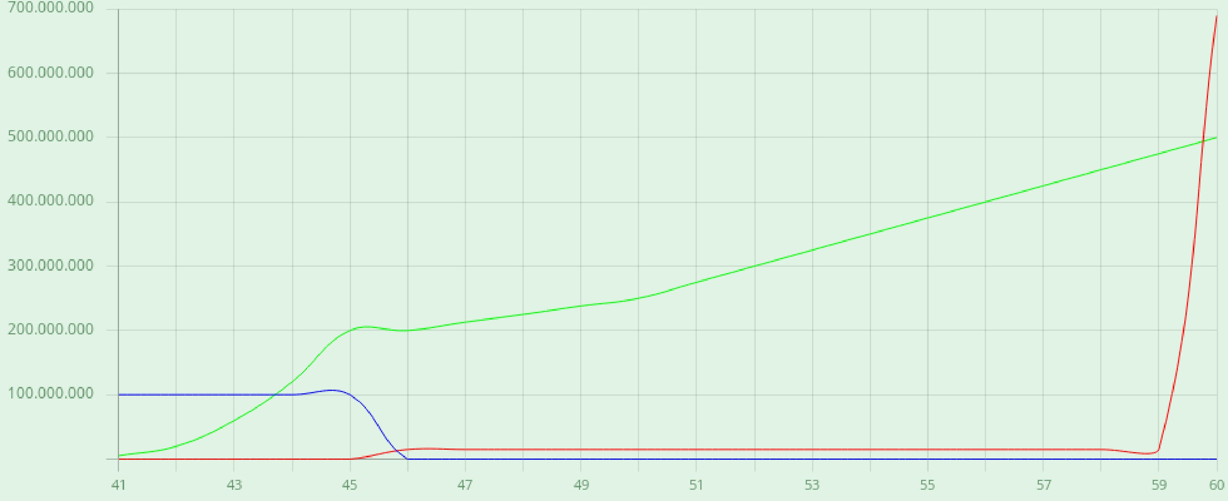 )* + , - ./0 1 2 ! " ! # ' ( ! $%" &&! &

= % >( " | ? @ A B C D C $' B $' $ $ E F | && ( | ? G H I IJ G J K
L MN = | ? O C P G Q K | ' M R B C E $S M ( | ? G G G J H K T Q Q K | B C E $S UB D >' $E C ' C V FL $' UB F $L $' D UV F $A L >' B $L $D F B $' D C
 |  | B C E $S M ( ( %! " && | ? G T IW ! IJ G J K |  | A ( X N P G

